Introduction
 |  | Chapter 6 - Vlookup, Match , Index

Vlookup | Vertical Lookup
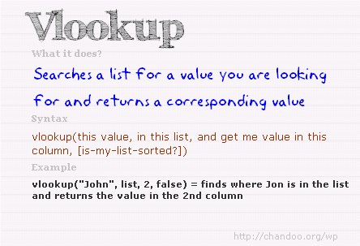

look_Up_value= value you are giving as input
table array = in which table you are searching
index = whare is the number of column you want your result from a perticular table
sorted = ascending or desc
make sure the lookup value is unique
when using approx make sure the table from which result will be is in ascending order before applying lookup

Match
Match functiojn will tell the column number

index
array= table
row number
column number

